Sheet1 (2)
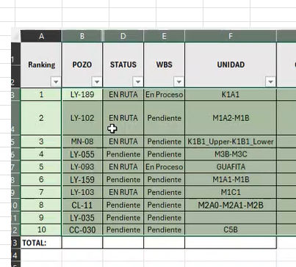
Row Labels | NO EXITOSO | EXITOSO | Total | Trabajos a realizar | %EXITO | Pozo
C5a | 1 |  | 1 |  | 0%
C5B |  |  | 0 | 1 | N/A | CC-030
C5c |  | 1 | 1 |  | 100%
C5D | 1 |  | 1 |  | 0%
C5dA |  | 2 | 2 |  | 100%
C5dB |  | 2 | 2 |  | 100%
C5dB-C5c-C5dA |  | 1 | 1 |  | 100%
M1 |  | 1 | 1 |  | 100%
M1A |  | 1 | 1 |  | 100%
M1A1 |  | 3 | 3 |  | 100%
M1A1-GUAFITA-M3A | 1 |  | 1 |  | 0%
M1A2 |  | 2 | 2 |  | 100%
M1B | 1 | 2 | 3 | 1 | 67% | LY-035
M1C1 | 1 | 1 | 2 |  | 50%
M2A0 |  | 1 | 1 | 1 | 100% | CL-11
M2A1 |  | 2 | 2 |  | 100%
M2A1-M2A0 |  | 1 | 1 |  | 100%
M2A-M2B |  | 1 | 1 |  | 100%
M2A-M3B |  | 1 | 1 |  | 100%
M2B |  | 2 | 2 |  | 100%
M2B-M2A1-M3B |  | 1 | 1 |  | 100%
M3A |  | 1 | 1 |  | 100%
M3B |  | 1 | 1 |  | 100%
M3C1 |  | 1 | 1 |  | 100%
M4 |  | 1 | 1 |  | 100%
M4S | 1 | 2 | 3 |  | 67%
K1 | 1 |  | 1 |  | 0%
K1A1_ower |  | 1 | 1 | 1 | 100% | LY-189
K1A2_Upper |  | 2 | 2 |  | 100%
K1B1_Upper |  | 1 | 1 |  | 100%
K1C1 |  | 1 | 1 |  | 100%
K2A |  | 1 | 1 |  | 100%
K2A1_ower-K2A |  | 1 | 1 |  | 100%
K2A1-K2A |  | 1 | 1 |  | 100%
Grand Total | 8 | 38 | 46 |  | 83%

 | NO EXITOSO | EXITOSO | Total | Trabajos a realizar | %EXITO | Pozo
C5A | 1 |  | 1
C5C |  | 2 | 2
C5D | 1 | 4 | 5
M1 | 3 | 10 | 13
M2 |  | 9 | 9
M3 |  | 3 | 3
M4 | 1 | 3 | 4
K1 | 1 | 5 | 6
K2 |  | 2 | 2
K2A |  | 1 | 1
Grand Total | 7 | 39 | 46

